Instructions
1 | Print or download your bank statement
2 | Fill in the Income and Expenses tabs as per what has gone into and come out of your bank account
3 | Summary: | This should populate automatically (except or the yellow table you will need to refresh- if applicable to you)
 | This table should give you a good idea of how much money needs to go where. This will be a rolling total for the year
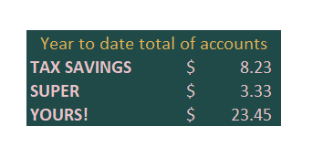

NOTES | If your total income is approaching $75000 contact your accountant to look at registering for GST (or possibly moving to a company structure if it's right for you)
 | On the summary tab: If the red 0 isn't 0 anymore you may have broken the formulas, email us to fix it for you!

2. COGS Price Calculator
If you are a service. leave blank.
 | Let's work out how much it costs to make each product/ your hourly cost of your service.

1 | I can make | 40 | of my products in |  | 4 | hours | 6 | Minutes per product

2 | Labour costs per hour are |  |  | 40 | 0.67 | (if you are not sure, add in how much you would pay someone else to do it or use $35-40 as a guide)

Fill in the Gold boxes
Leave the pink boxes - they calc automatically.
3 | List other stock costs and prices below (any costs you need to build in to the price of your product)
 | Add these together to get your cost per product
 | From here you can use this cost to budget, forecast anything!
 | Labour | 4
 | Item a | $5
 | Item b | $5
 | Item c | $5

